Table 1

Selected Acquisition Report (SAR)
RCS: DD-A&T(Q&A)823-252
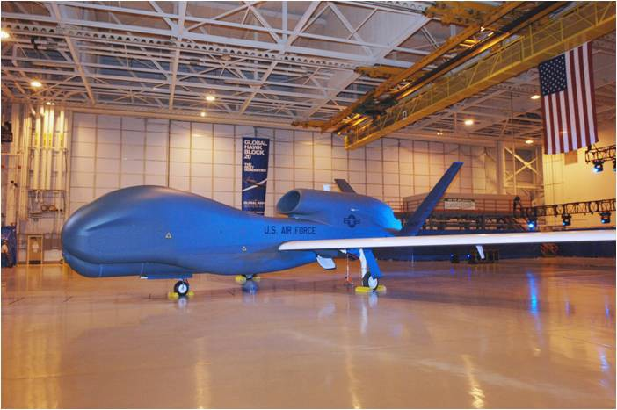
RQ-4A/B Global Hawk Unmanned Aircraft System (RQ-4A/B Global Hawk)
As of FY 2016 President's Budget
Defense Acquisition Management Information Retrieval
(DAMIR)

Table 37
Unit Cost History
Item |  |  |  |  | Date |  |  |  | BY 2015 $M |  |  |  |  |  |  |  |  | TY $M
 |  |  |  |  |  |  |  |  | PAUC |  |  |  | APUC |  |  |  |  | PAUC |  |  | APUC

Original APB |  |  | Mar 2001 |  |  |  |  |  | 82.703 |  |  |  |  |  | 66.244 |  |  |  | 85.619 |  |  | 70.790
APB as of January 2006 |  |  | Dec 2002 |  |  |  |  |  | 122.033 |  |  |  |  |  | 68.214 |  |  |  | 115.459 |  |  | 65.673
Revised Original APB |  |  | Feb 2015 |  |  |  |  |  | 219.980 |  |  |  |  |  | 122.993 |  |  |  | 200.567 |  |  | 114.124
Prior APB |  |  | Mar 2007 |  |  |  |  |  | 179.728 |  |  |  |  |  | 108.793 |  |  |  | 180.267 |  |  | 111.530
Current APB |  |  | Feb 2015 |  |  |  |  |  | 219.980 |  |  |  |  |  | 122.993 |  |  |  | 200.567 |  |  | 114.124
Prior Annual SAR |  |  | Dec 2013 |  |  |  |  |  | 203.471 |  |  |  |  |  | 114.502 |  |  |  | 202.882 |  |  | 116.080
Current Estimate |  |  | Dec 2014 |  |  |  |  |  | 219.582 |  |  |  |  |  | 122.767 |  |  |  | 200.567 |  |  | 114.124
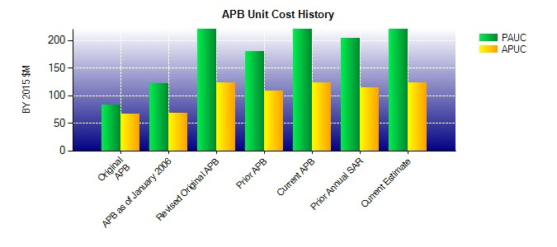
SAR Unit Cost History
Current SAR Baseline to Current Estimate (TY $M)
Initial PAUC Development Estimate | Changes |  |  |  |  |  |  |  |  |  |  |  |  |  |  |  |  |  |  | PAUC Current Estimate
 | Econ | Qty |  | Sch |  | Eng |  | Est |  |  | Oth |  |  | Spt |  | Total
85.619 3.767 20.726 1.664 51.896 15.131 0.000 21.764 114.948 200.567
Current SAR Baseline to Current Estimate (TY $M)
Initial APUC Development Estimate | Changes |  |  |  |  |  |  |  |  |  |  |  |  |  |  |  |  |  |  | APUC Current Estimate
 | Econ | Qty |  | Sch |  |  | Eng |  |  | Est |  | Oth |  |  | Spt |  | Total
70.790 1.844 14.795 -10.502 14.564 2.602 0.000 20.031 43.334 114.124

